Step1
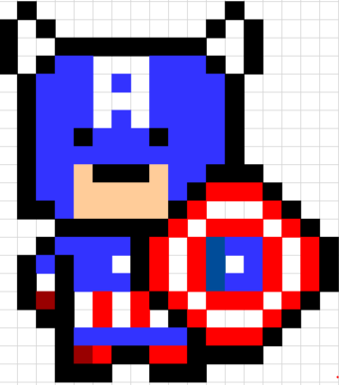
1 | Find a pixel art.
 | And paste it on Microsoft Excel.

Step2
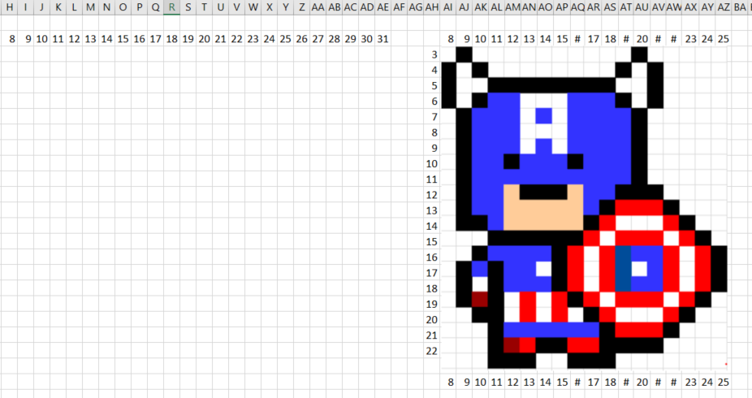
1 | Find a pixel art.
 | And paste it on Microsoft Excel.

2 | Start the code by resizing the cell height and width.
 | Resize the picture if too big for the cell.

Step5
1 | Find a pixel art.
 | And paste it on Microsoft Excel.

2 | Start the code by resizing the cell height and width.
 | Resize the picture if too big for the cell.

3 | By looking on the picture, convert the color pixel-by-pixel
 | into a data line-by-line.

4 | Create a button called "Draw Me!"
 | Code it to draw when the button is clicked.

5 | Test it line-by-line for the result at the beginning.
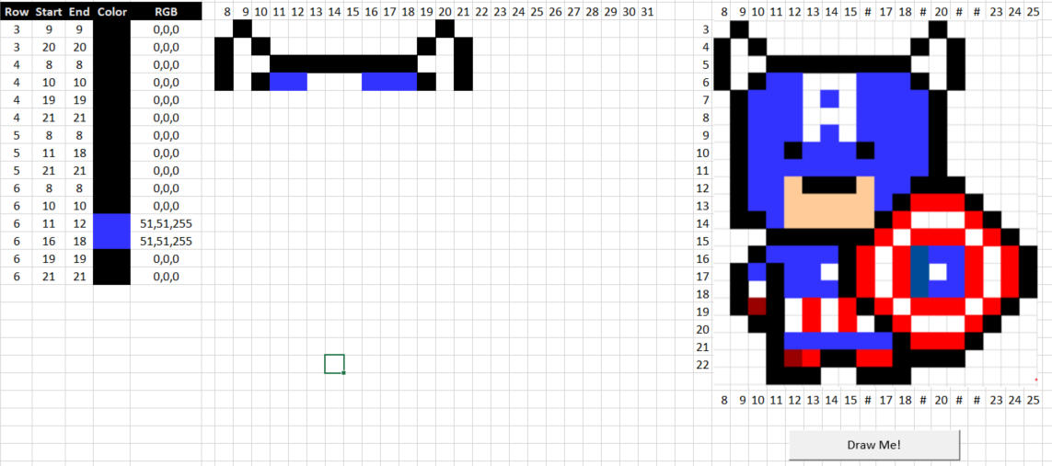
 | Row | Start | End | Color | RGB

 | 3 | 20 | 20 |  | 0,0,0
 | 4 | 8 | 8 |  | 0,0,0
 | 4 | 10 | 10 |  | 0,0,0
 | 4 | 19 | 19 |  | 0,0,0
 | 4 | 21 | 21 |  | 0,0,0
 | 5 | 8 | 8 |  | 0,0,0
 | 5 | 11 | 18 |  | 0,0,0
 | 5 | 21 | 21 |  | 0,0,0
 | 6 | 8 | 8 |  | 0,0,0
 | 6 | 10 | 10 |  | 0,0,0
 | 6 | 11 | 12 |  | 51,51,255
 | 6 | 16 | 18 |  | 51,51,255
 | 6 | 19 | 19 |  | 0,0,0
 | 6 | 21 | 21 |  | 0,0,0

Step7


